About
release:
31/08/2026
INFORM SEVERITY INDEX
August 2026
OBJECTIVES AND PROCESS
The INFORM Severity Index summarises a wide range of already existing, quantitative information about crisis severity and presents it in a format that can be used more easily in decision-making. It aggregates information from a range of credible, publicly available sources. Human analysts collect the data and enter it into the Index. It is intended to contribute to: - A shared and objective understanding of crisis severity; - Decisions on the allocation of resources in a way that is proportionate with crisis severity; - Justify and advocate for action, especially in the case of forgotten or unrecognised crises; - Monitor trends in crisis severity over time
ANALYTICAL FRAMEWORK AND METHODOLOGY
The INFORM Severity Index is a composite indicator that measures the severity of humanitarian crises against a common scale: It is a composite indicator that aggregates data from various sources to categorise all crises into five levels of severity: - Very high; High; Medium; Low; Very low The Index covers: - The impact of the crisis itself, in terms of the scope of its geographical, human and physical effects; - The conditions and status of the people affected, including information about the distribution of severity (i.e. the number of people in each category of severity within a crisis); - The complexity of the crisis, in terms of factors that affect its mitigation or resolution. The results are provided by crisis and by country. A crisis is defined as an event and a location. There may be more than one crisis per country. Sometimes a crisis may be defined as a country. It is also possible to access the values for different levels of the analytical framework, to better understand the main drivers of a crisis. All the underlying data, metadata and methodology are publicly available.
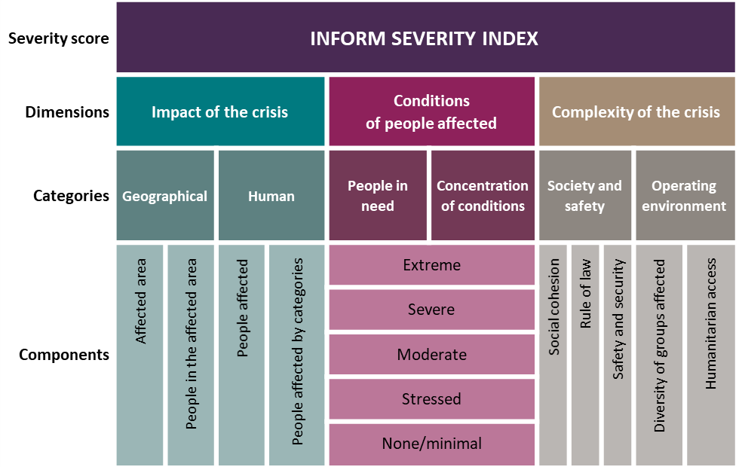
DATA SOURCES, USE AND LIMITATIONS
The INFORM Severity aggregates information from a range of credible, publicly available sources, such as UN agencies, governments and other multilateral organisations. The country’s Humanitarian Needs Overview (HNO) is used if one is available. The INFORM Severity Index can be used to support decisions that require an understanding of the severity of crises globally or to understand changes in crisis severity over time. It should not be used for decisions about the operational response to a specific crisis. Crisis-specific information like needs assessments and appeals should be used to support these decisions. The INFORM Severity Index is only one source of information that can support decisions about humanitarian crises. It should typically be complemented by other sources. Due to the dynamic and chaotic nature of humanitarian emergencies and the lack of a globally systematic approach to data collection, imperfect information is necessarily used in the Index. Expert judgement is involved in deciding what data to include. A reliability estimate is provided for each crisis. The results spreadsheet contains metadata, showing the sources and dates of included figures, as well as key assessments or judgements made in their inclusion.
FURTHER INFORMATION
The development of the INFORM Severity Index was initiated and guided by the INFORM initiative - a multistakeholder partnership of humanitarian and development organisations, donors and technical partners - together with other interested organisations. The European Commission Joint Research Centre is responsible for the methodology. ACAPS is responsible for the data collection and analysis. OCHA is the overall coordinator of INFORM. We welcome all feedback and questions relating to the INFORM Severity INDEX. Please send them to contact@inform.index.org.
Click here to read the INFORM Severity Index User Guide
Click here to read the INFORM Severity Index Methodology Report
Licence Attribution 4.0 International (CC BY 4.0): https://creativecommons.org/licenses/by/4.0/legalcode Reuse is authorised, provided the source is acknowledged.
Citation INFORM. 2020. INFORM Severity Index August 2020. https://drmkc.jrc.ec.europa.eu/inform-index/INFORM-Severity. INFORM is a collaboration of the Inter-Agency Standing Committee Reference Group on Risk, Early Warning and Preparedness and the European Commission. The European Commission Joint Research Centre is responsible for the methodology. ACAPS is responsible for the data collection and analysis. OCHA is the overall coordinator of INFORM.

